Anomalies
TMAP Anomaly administration template |  |  |  |  |  |  |  |  |  |  |  | © Sogeti 2022 - www.TMAP.net

 | identification section |  |  |  |  | progress |  |  | detailed information (for further analysis)
Id | Title/heading | Detected by | Detected on date | Anomaly description | Test case | Status | Severity | Priority | Feature/ Story | Evidence (screenshot, log, etc.) | Reprodu-cible? | Steps to reproduce | Cause
01
02
03
04
05
06
07
08
09
10
11
12
13
14

 | Note: in most projects it is much better to have an anomaly management system (instead of an excel sheet) to register anomalies and track progress. This template is mainly for use in training courses and as an example of what an anomaly report could look like.
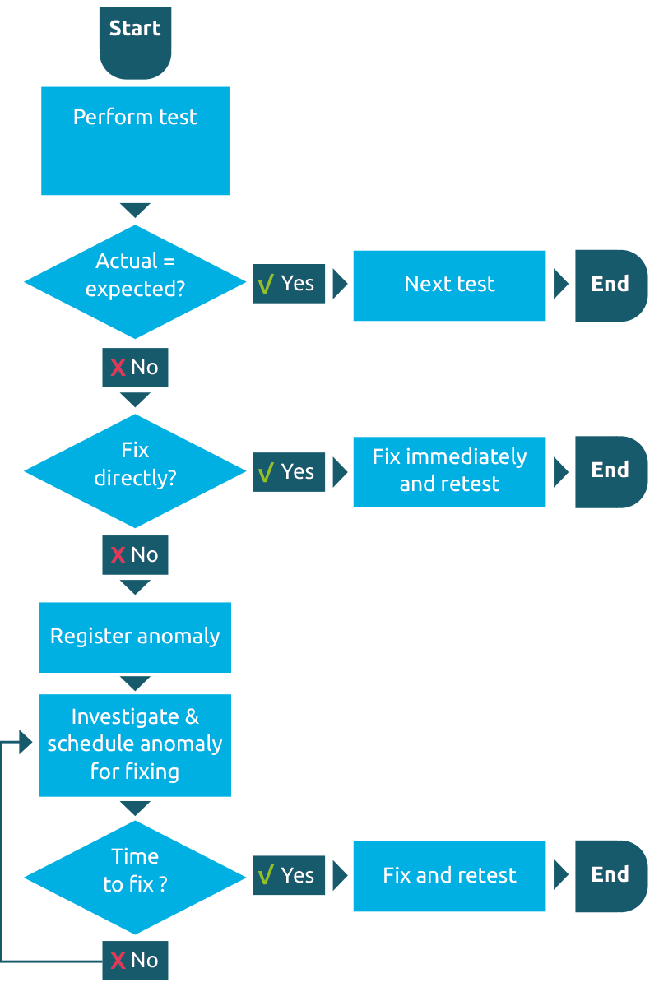
 | The figure on the right describes
 | a light-weigt anomaly-management
 | process. For more information see
 | www.TMAP.net or chapter 18 of
 | the TMAP book "Quality for DevOps teams".

